USE_CASE
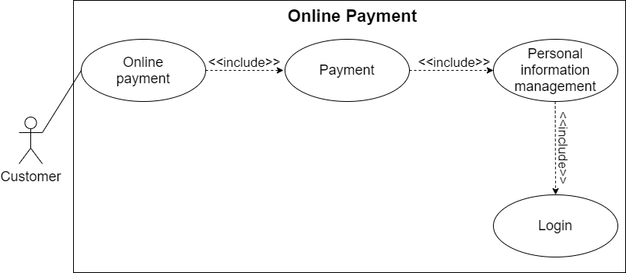
5.10.1. Chức năng gởi email nhắc lịch thanh toán cho các khách hàng có vé gần hết hạn:

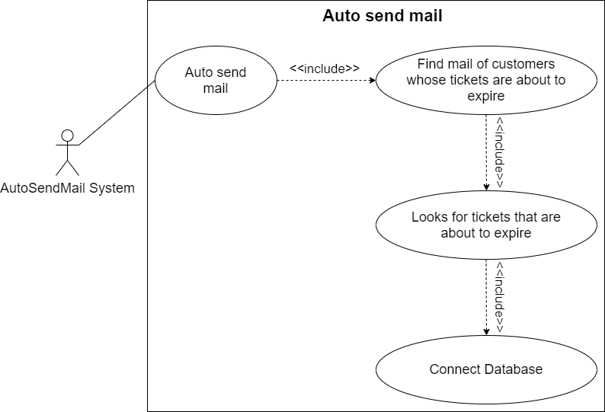

5.10.2. Khách hàng thanh toán online bằng PayPal, MoMo:

CLASS_DIAGRAM
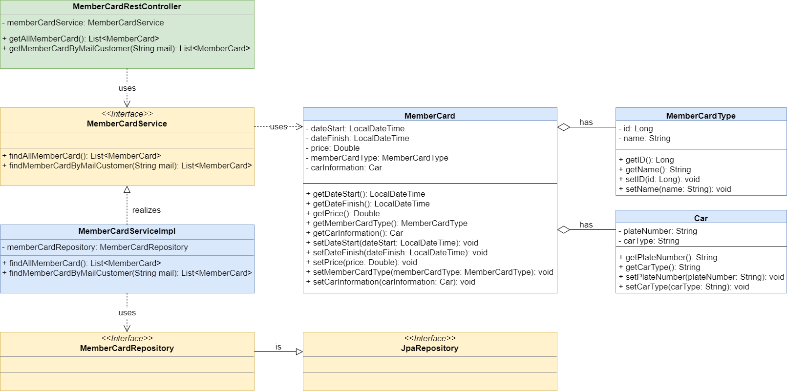
5.10.1. Chức năng gởi email nhắc lịch thanh toán cho các khách hàng có vé gần hết hạn:
5.10.2. Khách hàng thanh toán online bằng PayPal, MoMo:

